Annual Plan - Phase 1
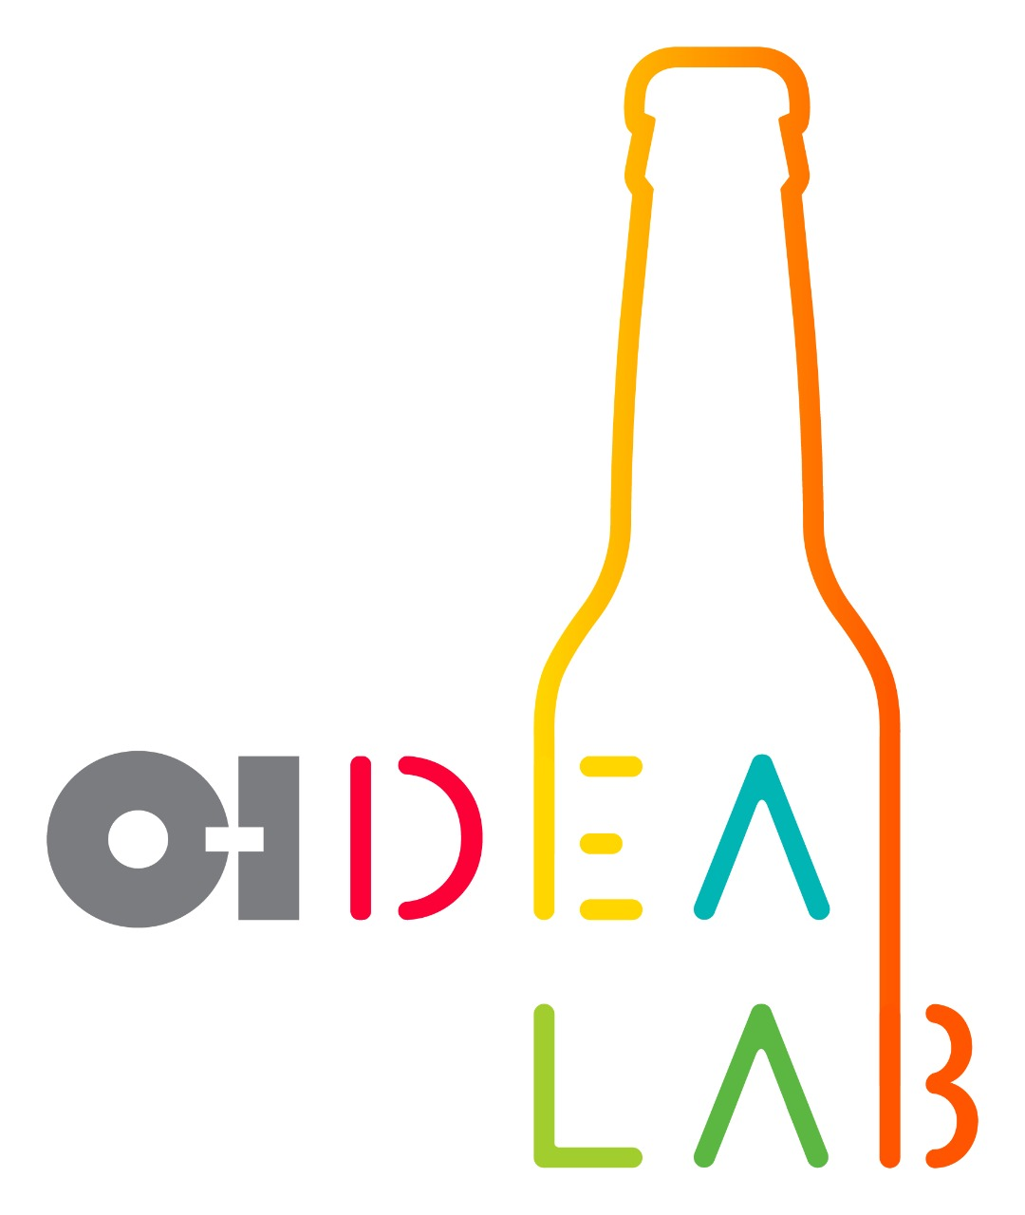 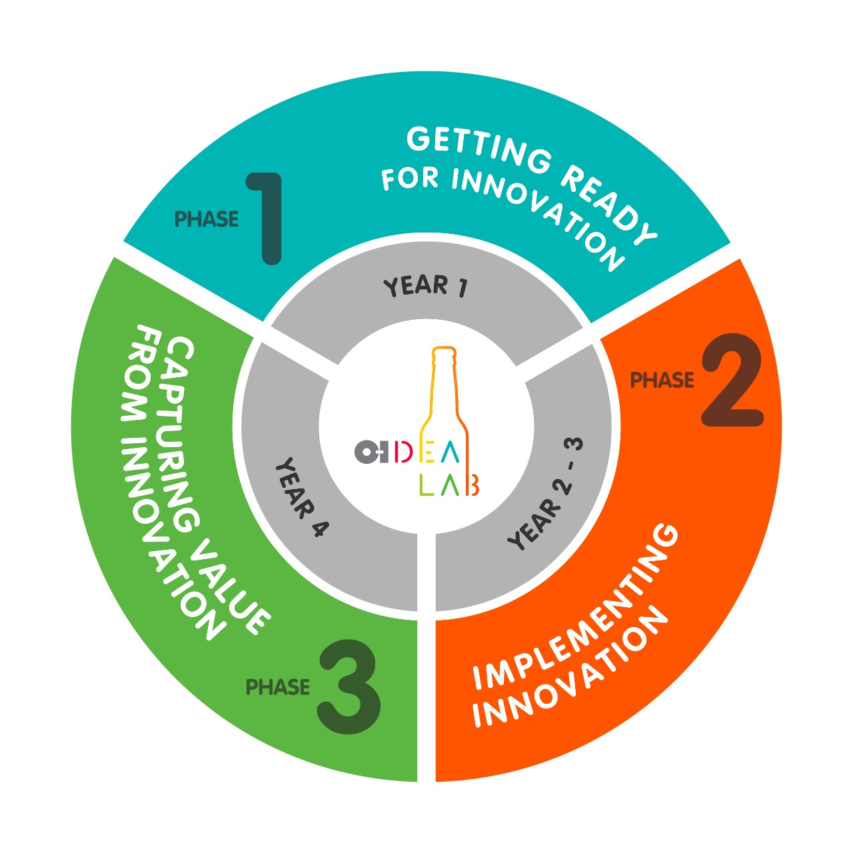 | Annual Innovation Plan 2019 Phase 1: Gettinng Ready for Innovation
 |  |  |  |  |  |  | Current Week | 14 |  |  | Plan |  |  |  |  |  | On time |  |  |  |  |  | Fuera de tiempo

Activity | Responsible | Scheduled Week | Expected Duration | First Week of Realization | Real Duration | % Progress | Fulfillment | 2019
 |  |  |  |  |  |  |  | 1 | 2 | 3 | 4 | 5 | 6 | 7 | 8 | 9 | 10 | 11 | 12 | 13 | 14 | 15 | 16 | 17 | 18 | 19 | 20 | 21 | 22 | 23 | 24 | 25 | 26 | 27 | 28 | 29 | 30 | 31 | 32 | 33 | 34 | 35 | 36 | 37 | 38 | 39 | 40 | 41 | 42 | 43 | 44 | 45 | 46 | 47 | 48 | 49 | 50 | 51 | 52
Strategy |  |  |  |  |  | 85%
Innovation Definition | Chief Innovation Officer | 1 | 2 | 2 | 1 | 100% | On Time
Redesign of O-I’s Global strategy | Chief Innovation Officer | 1 | 4 | 1 | 4 | 70% | On Time
Definiton of the Region strategic map | Regional Innovation Director | 5 | 3 |  |  |  | Out of Time
glass smart 2.0 review | Chief Innovation Officer | 5 | 2 |  |  |  | Out of Time
Roll-out of glass smart 2.0 to all regions | Regional Innovation Director | 7 | 3 |  |  |  | Out of Time
Review and final approval of the O-IDEA LAB (Innovation Strategy) | Chief Innovation Officer | 7 | 3 |  |  |  | Out of Time
Human Talent |  |  |  |  |  | -
Review Proposal of Innovation at the Leading@O-I process | Chief Innovation Officer Human Resources VP | 9 | 3 |  |  |  | Out of Time
Definition of the Innovation Structure (Region & Country) | Chief Innovation Officer Human Resources VP | 9 | 12 |  |  |  | Out of Time
Definition of the Innovation Committee per Region | Chief Innovation Officer Innovation Directors | 21 | 2 |  |  |  | Out of Time
Rewarding & Recognition |  |  |  |  |  | -
Definition of the O-IDEA Bottle-Points System | Chief Innovation Officer Innovation Directors | 21 | 4 |  |  |  | Out of Time
Definition of the Innovations Award Strategy and plan for the first edition | Chief Innovation Officer Innovation Directors | 25 | 5 |  |  |  | Out of Time
O-IDEA LAB Resources, Programs & Initiatives |  |  |  |  |  | -
Validation of the O-IDEA LAB Process | Chief Innovation Officer Innovation Directors | 25 | 4
O-IDEA LAB’s: Design & Implementation | Innovation Directors | 25 | 15
O-IDEA LAB Home: Planning, Definition & Design | Innovation Directors | 30 | 8 |  |  |  | Out of Time
O-IDEA LAB Networks: Planning & Definition for Next Year | Innovation Directors Marketing & Sales VP's | 30 | 3
O-IDEA LAB Challenges: Planning & Definition for Next Year | Innovation Directors | 30 | 4 |  |  |  | Out of Time
O-IDEA LAB University: Planning & Definition | Innovation Directors | 30 | 8 |  |  |  | Out of Time
O-IDEA Innovation Days for Next Year: Planning & Definition | Innovation Directors Marketing & Sales VP's | 35 | 4 |  |  |  | Out of Time
O-IDEA Innovation Safaris: Definition of the first two events | Chief Innovation Officer Innovation Directors | 38 | 2 |  |  |  | Out of Time
Metrics & Results |  |  |  |  |  | -
Approval of the Proposal of Innovation Metrcis | Chief Innovation Officer Innovation Directors | 38 | 2 |  |  |  | Out of Time
Develop Calculation Method | Innovation Directors | 40 | 4 |  |  |  | Out of Time
Design Innovation Anual Plan - Nex Year |  |  |  |  |  | -
Road-Mapping Sessions | Innovation Directors | 40 | 6 |  |  |  | Out of Time
Report Summary and Priorization | Innovation Directors Innovation Committee | 46 | 3 |  |  |  | Out of Time
Building The Innovation Annual Plan | Innovation Directors | 49 | 2 |  |  |  | Out of Time
Preparation of the O-IDEA LAB Launching per Region & Country | Chief Innovation Officer Innovation Directors | 40 | 12 |  |  |  | Out of Time

 |  |  |  |  |  |  |  | 1 | 2 | 3 | 4 | 5 | 6 | 7 | 8 | 9 | 10 | 11 | 12 | 13 | 14 | 15 | 16 | 17 | 18 | 19 | 20 | 21 | 22 | 23 | 24 | 25 | 26 | 27 | 28 | 29 | 30 | 31 | 32 | 33 | 34 | 35 | 36 | 37 | 38 | 39 | 40 | 41 | 42 | 43 | 44 | 45 | 46 | 47 | 48 | 49 | 50 | 51 | 52
 |  |  |  |  |  |  | % Acomplishment of the Annual Plan | 100% |  |  |  | 0% |  | 0% |  | 0% |  |  |  |  |  |  |  |  |  |  |  | 0% |  |  |  | 0% |  |  |  |  | 0% |  |  |  |  | 0% |  |  | 0% |  | 0% |  |  |  |  |  | 0% |  |  | 0%

